1. Title Page
Analysis Final Report

Project Name: Instacart Analysis Final Report
Date: 17/02/2022
Analyst Name: Andrew Wilson

Contents:
Population Flow
Consistency checks
Wrangling steps
Column derivations
Visualizations
Recommendations

Data Source
The Instacart Online Grocery Shopping Dataset
Accessed from https://www.instacart.com/datasets/grocery-shopping-2017 on 10th Feb 2022
Please note that all prices and customer information found in this analysis has been fabricated for the purpose of this project.

Project Objective
To perform an initial data and exploratory analysis of some of their data in order to derive insights and suggest strategies for better segmentation based on the provided criteria.

2. Population Flow
Title page

Population flow

Exclusion flag
Condition: max_order < 5
Obervations to be removed: 1441570
Final total count of order_products_all: 30993489

Orders_products_combined
Orders_products_merged
Orders_products_all

Total: 32435059
Total: 32434489
Total: 32435059

1.) The grey boxes in the first row of the population flow represent the original data sets as they were when you downloaded them. In the Total fields you need to add the count of the rows when you imported the data set into Jupyter.
2.) The second row of boxes (coloured) represents the data sets after you manipulated them, e.g., removed missing values and duplicates. In the Total fields you need to add the count of the rows after conducting these operations. This offers a visual oveview of how the data flows throughout the data consistency checks.
3.) The third row, where also the arrows are coloured, represents the merges you performed between the datasets. In the Total fields you need to add the count of the rows in the merged datasets, so that you end up with the final dataset (in the red box). Keep in mind the final dataset should be without exclusions (based on the exclusion flag).

3. Consistency checks
 |  |  |  | Title page
Consistency checks

Dataset | Missing values | Missing values treatment | Duplicates
orders | 206209 NaN in days_since_prior_order | N/A: Values treated as new customers (no prior orders) | N/A
products | 16 NaN in product name | Removed rows of missing values | Removed 5 duplicate rows
orders_products_prior | N/A | N/A | N/A
customers | N/A | N/A | N/A
customers_products_all | Product prices > 100 | Changed entries to NaN as some prices were $99999 | N/A

4. Wrangling steps
 |  |  |  |  | Title page
Wrangling steps

Data Set | Columns dropped | Columns renamed | Columns' type changed | Comment/Reason
orders | eval_set | N/A | N/A | Not needed for analysis
orders | N/A | N/A | order_id to string | Not a calculation field
orders | N/A | N/A | user_id to string | Not a calculation field
orders | N/A | order_dow to orders_day_of_week | N/A | More relevant name
customers | First Name, Surnam | N/A | N/A | Data that could personally identify someone
customers | N/A | STATE to State | N/A | Consistent naming convention
customers | N/A | n_dependants to Dependants | N/A | Consistent naming convention

5. Column derivations
 |  |  |  | Title page

Column derivations and aggregations

In this tab you should add tables below that the frequences of flags/label variables that you produced after deriving them. NB: don't do this for continuous variables, only for flags.
Dataset | New column | Column/s it was derived from | Conditions
orders_products_merged | price_range_loc | prices | "if 'prices': <5 then 'low' between 5 and 15 then 'mid' >15 then 'high'"
orders_products_merged | busiest_days | orders_day_of_week | if day of the week with most orders then 'Busiest day' else if day of the week with least orders then 'Least busy' else 'regularly busy'
orders_products_merged | busiest_period_of_day | order_hour_of_day | Categorise periods of day according to number of orders
orders_products_merged | loyalty_flag | max_order | if max_order: >40 then 'loyal customer' else if between 11 and 40 then 'Regular customer' else up to 10 then 'New customer'
orders_products_merged | avg_order_cost_by_customer | order_id & prices | Average price per order
orders_products_merged | spender_flag | avg_order_cost_by_customer | If average price: 10 or higher then 'High spender' else <10 then 'low spender'
orders_products_merged | freqeuncy_flag | cust_frequency | If median days since last order: >20 then 'non-frequent customer' else if between 10 and 20 then 'regular customer' else if 10 or less then 'frequent customer'
orders_products_all | Region | state | Define customer state by region defined
orders_products_all | activity_flag | max_order | Categorise customer based on max_order
orders_products_all | Age_bracket | age | Categorise customer based on age
orders_products_all | income_range | income | Categorise customer based on income bracket

6. Visualizations
 |  |  |  |  | Title page

Visualisations

In this tab you should include all the visualtions from Exercises 4.9 and 4.10, alongside the questions from the project brief that they answer. Include any commentary on the relationship between different variables.

Order Frequency by Department

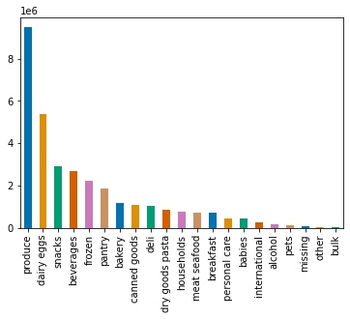
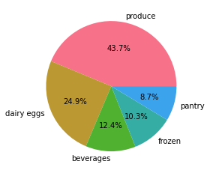

The produce and dairy eggs departments make up a siginificant amount of total orders. The top 5 departments account for almost 69% of total sales.

Top 20 Best Selling Products
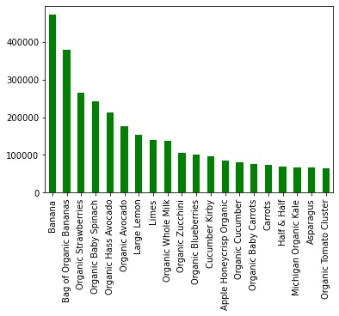

Bananas and organice bannanas are the most popular products sold by Instacart. Interesting that almost all of these top selling items are from the organic range and are almost entirely fruit or vegetables.

Age
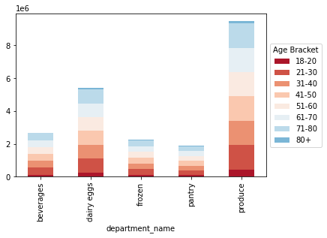
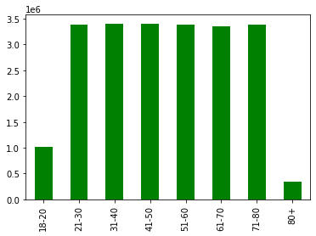

Most age groups order from the top 5 departments very similarly, the outliers being ages 18-20 and 80+. Disposable income and lack of technology literacy could explain these outliers.

Fam Status
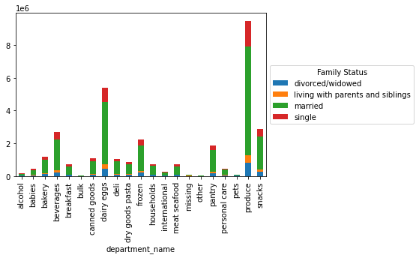
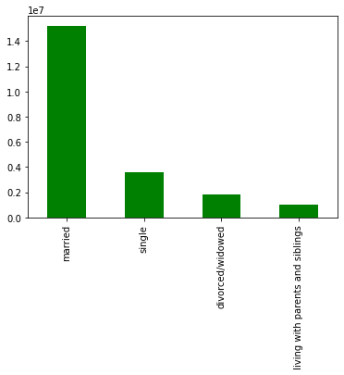

Family status does seem to impact the customer make up with married customers making up the overwhelming majority.

Order Time Of Day

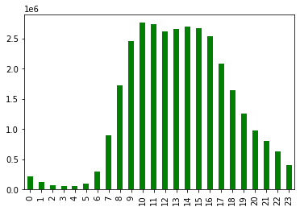

Sales start to increase rapidly from 6am and then peak at 10am and maintain this level until 4pm and then hourly orders slowly reduce as the evening goes on.

Order Day Of Week

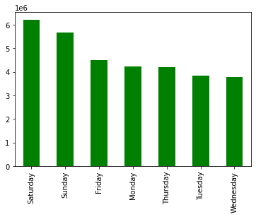
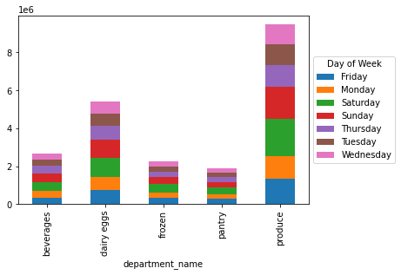
 |  | Orders by Days of Week | Top 5 Departments Orders By Day of Week

Saturdays and Sundays appear to be the preferred day to order across all departments and those identified at top 5 departments.

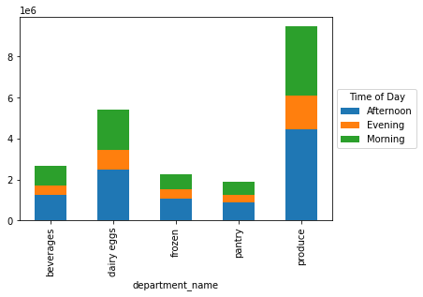
 |  | Top 5 Departments and Ordering Time of Day

Afternoons (12pm-5pm) are the preferred time for customers to order.

Income

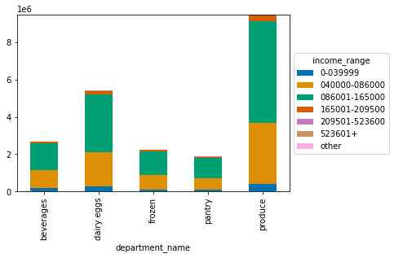
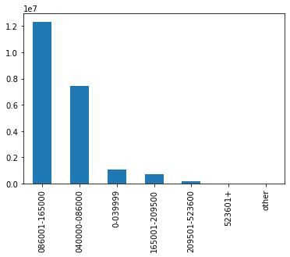
 | Income Brackets Across Top 5 Departments |  |  | Income Brackets Across All Departments

Those in the 40k-86k and 86k-165k income ranges make up the majority of orders.

Spending Habits and Loyalty

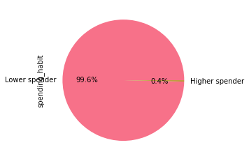
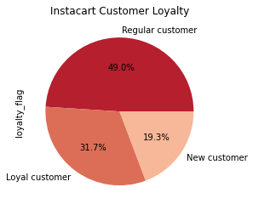

Majority of customers are lower spenders while almost half of customers are regular customers and 31.7% are considered loyal customers.

Region

 | Customers By Region |  | Age Groups Across Regions
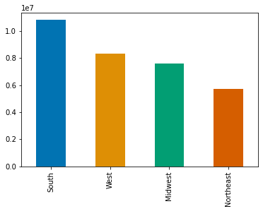
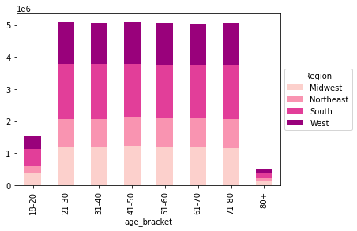

Customer numbers differ between regions, with the South having the most and Northeast with the least

Age break down between regions is very similar with minor differences between them.

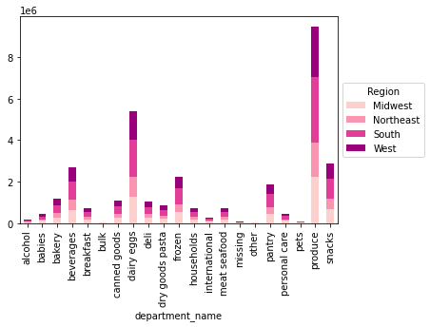
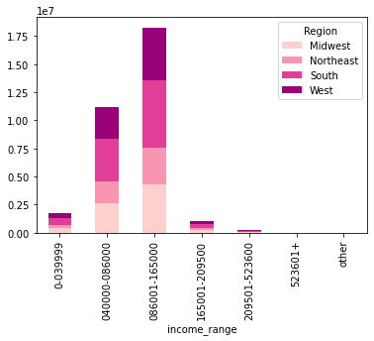
 | Order Frequency by Department Across All Regions |  |  | Age Brackets Of Different Regions

The different regions all follow very similar patterns of department spending, with produce being the dominant department across all regions.

Age brackets of 40k-68k and 68k-165k are the majority of customers across all four regions.

7. Recommendations
 |  |  |  |  | Title page

Recommendations

In this tab you should include any recommendations you would made to Instcart in terms of their marketing strategy based on the questions posed in the brief. Every key question has been covered in the Tasks of the Exercises - here you need to add an item - a visualisation or table/crosstable that is showing the answer in the data, acompanied by a comment from you. Please, list the questions below and add the answer underneath.

Question
The sales team needs to know what the busiest days of the week and hours of the day are (i.e., the days and times with the most orders) in order to schedule ads at times when there are fewer orders.

 |  | Daily Order Frequency | Hourly Order Frequency

The busiest days of the week are Saturday and Sunday, with the majority of orders taking place between 7am and 4pm each day.

Recommendation
Target advertising on Tuesdays and Wednesdays as these are the lowest frequency order days.
Target advertising from 5pm onwards to try and tap into the evening shoppers.

Question
They also want to know whether there are particular times of the day when people spend the most money, as this might inform the type of products they advertise at these times.

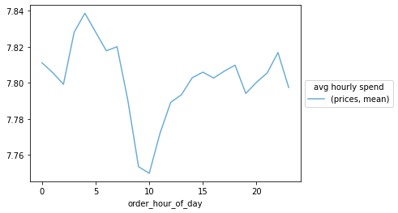
 |  | Average Orders by Hour

Recommendation
Average hourly spend is lowest between 5am and 10am, so reduce the advertising spent during these times and increase it for the time period between 10am until mid afternoon when the average spend is higher.

Question
Instacart has a lot of products with different price tags. Marketing and sales want to use simpler price range groupings to help direct their efforts.

 | Product Pricing Breakdown
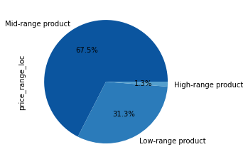

Recommendation
Determine which products have better profit margins and reduce the amount of products with lower margins.

Question
Are there certain types of products that are more popular than others? The marketing and sales teams want to know which departments have the highest frequency of product orders.

 |  | Top 20 Selling Products |  | Departments by Order Frequency

 |  | Top 5 Best Selling Departments

Recommendation
Targeted marketing of the produce department, especially the promotion of organice productions as they make up the majority of the top 20 best selling products for all Instacart's customers.

Question
The marketing and sales teams are particularly interested in the different types of customers in their system and how their ordering behaviors differ.
What’s the distribution among users in regards to their brand loyalty (i.e., how often do they return to Instacart)?

Recommendation
Almost half of customers of Instacart are considered regular, which presents an opportunity for more targeted campaigns to encourage them to shop more frequently and become loyal customers e.g. targeted advertising towards their favourite product choices so they repeat purchases.

Question
Are there differences in ordering habits based on a customer’s region?

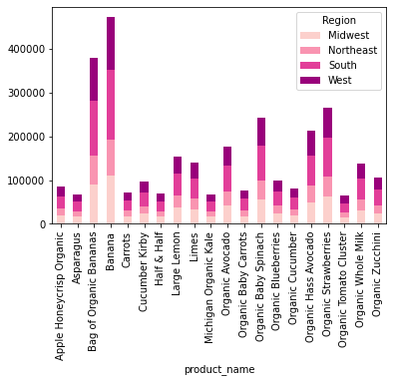
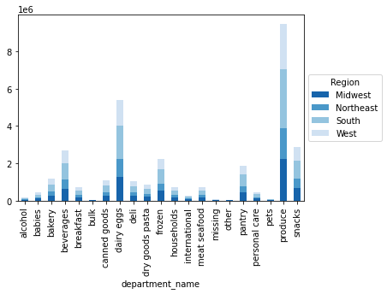
 |  | Top 20 Best Selling Products by Region |  | Department Comparison By Region

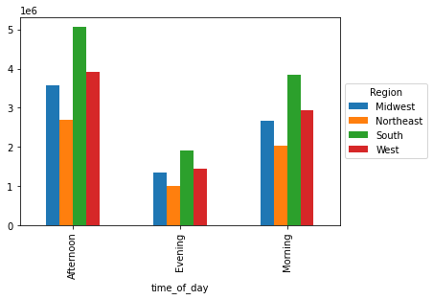
 |  | Order Time of Day by Region

Recommendation
The South and the West make up the majority of sales across all departments as well as the top products list. Localized ads specific to these regions would be my recommendation. Use of local sports teams could be a good way to promote a community spirit and something that customers could more readily engage with.

Question
Is there a connection between age and family status in terms of ordering habits?

 |  | Top 5 Departments by Age Bracket |  | Family Status Across All Departments

Recommendation
Married people make up the majority of orders so marketing should target their advertising to this group, however there is also an opportunity to increase marketing towards single people as they are the second largest customer group.
All age brackets order similar amounts across the top 5 departments, targeted marketing could be towards those age groups where there is greater spending power.

